Test Cases for Converter
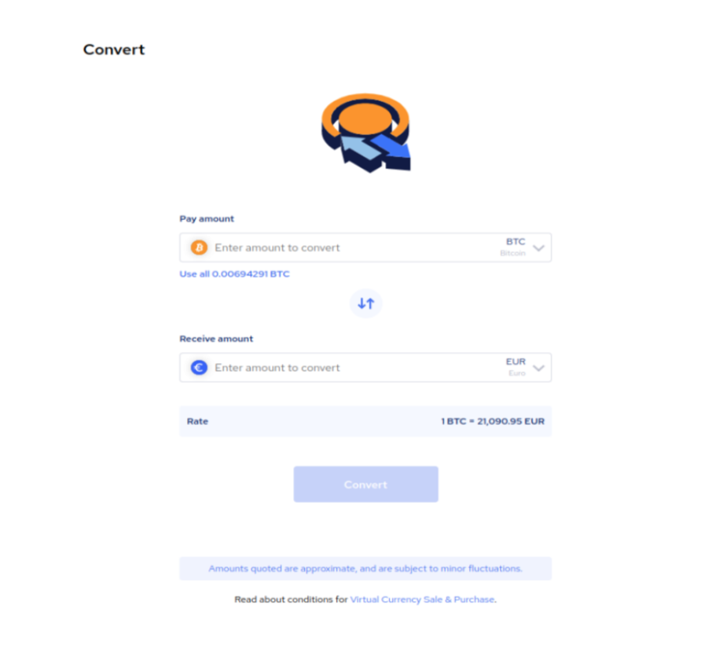
Project name |  | Converter
Created by |  | Eglė Jakavičienė
Date of creation |  | 2023.02.10
Test Description |  | Test cases are for Converter view/functions testing
Actor |  | Testing as End User
Test environment
Test device
Test type |  | Manual (exploratory testing)
Status |  | In Progress

Number | Test Case ID | Test Case Description | Precondition(s) | Test Steps | Test Data | Expected Result | Actual Result | Status (PASS/FAIL/BLOCKED/SKIPPED/NOT IMPLEMENTED)
1 | TC01 | Verify that 'Pay amount' field accepts numbers | There is an End User who has access to use Converter | 1. Open Converter page and log in | Converter page link, user name and password | Page is opened
 |  |  |  | 2. Enter data to 'Pay amount' field | 123 | '123' is entered
 |  |  |  | 3. Select 'Pay amount' currency through drop down list | BTC | 'BTC' currency is selected
 |  |  |  | 4. Select 'Receive amount' currency through drop down list | EUR | 'EUR' currency is selected
 |  |  |  | 4. Press 'Convert' button |  | 'Convert' button is clicked, 'Receive amount' is shown with correct currency.
2 | TC02 | Verify that letters are not accepted at 'Pay amount' field | There is an End User who has access to use Converter | 1. Open Converter page and log in | Converter page link, user name and password | Page is opened
 |  |  |  | 2. Enter data to 'Pay amount' field | abc | 'abc' is entered
 |  |  |  | 3. Select 'Pay amount' currency through drop down list | BTC | 'BTC' currency is selected
 |  |  |  | 4. Select 'Receive amount' currency through drop down list | EUR | 'EUR' currency is selected
 |  |  |  | 4. Press 'Convert' button |  | Error message appears, 'Convert' button is not clickable, receive amount is not shown.
3 | TC03 | Verify that 'Pay amount' field not accepts negative number | There is an End User who has access to use Converter | 1. Open Converter page and log in | Converter page link, user name and password | Page is opened
 |  |  |  | 2. Enter data to 'Pay amount' field | -30 | '-30' is entered
 |  |  |  | 3. Select 'Pay amount' currency through drop down list | BTC | 'BTC' currency is selected
 |  |  |  | 4. Select 'Receive amount' currency through drop down list | EUR | 'EUR' currency is selected
 |  |  |  | 4. Press 'Convert' button |  | Error message appears, 'Convert' button is not clickable, receive amount is not shown.
4 | TC04 | Verify that 'Pay amount' field not accepts symbols | There is an End User who has access to use Converter | 1. Open Converter page and log in | Converter page link, user name and password | Page is opened
 |  |  |  | 2. Enter data to 'Pay amount' field | *^&%#!$ | '*^&%#!$' is entered
 |  |  |  | 3. Select 'Pay amount' currency through drop down list | BTC | 'BTC' currency is selected
 |  |  |  | 4. Select 'Receive amount' currency through drop down list | EUR | 'EUR' currency is selected
 |  |  |  | 4. Press 'Convert' button |  | Error message appears, 'Convert' button is not clickable, receive amount is not shown.
5 | TC05 | Verify that 'Pay amount' field not accepts '0' | There is an End User who has access to use Converter | 1. Open Converter page and log in | Converter page link, user name and password | Page is opened
 |  |  |  | 2. Enter data to 'Pay amount' field | 0 | '0' is entered
 |  |  |  | 3. Select 'Pay amount' currency through drop down list | BTC | 'BTC' currency is selected
 |  |  |  | 4. Select 'Receive amount' currency through drop down list | EUR | 'EUR' currency is selected
 |  |  |  | 4. Press 'Convert' button |  | Error message appears, 'Convert' button is not clickable, receive amount is not shown.
6 | TC06 | Verify that 'Pay amount' field accepts more than 10 digit value | There is an End User who has access to use Converter | 1. Open Converter page and log in | Converter page link, user name and password | Page is opened
 |  |  |  | 2. Enter data to 'Pay amount' field | 12345678910 | '12345678910' is entered
 |  |  |  | 3. Select 'Pay amount' currency through drop down list | BTC | 'BTC' currency is selected
 |  |  |  | 4. Select 'Receive amount' currency through drop down list | EUR | 'EUR' currency is selected
 |  |  |  | 4. Press 'Convert' button |  | 'Convert' button is clicked, 'Receive amount' is shown with correct currency.
7 | TC07 | Verify that 'Pay amount' field accepts more than 10 digit value | There is an End User who has access to use Converter | 1. Open Converter page and log in | Converter page link, user name and password | Page is opened
 |  |  |  | 2. Enter data to 'Pay amount' field | 12345678910 | '12345678910' is entered
 |  |  |  | 3. Select 'Pay amount' currency through drop down list | BTC | 'BTC' currency is selected
 |  |  |  | 4. Select 'Receive amount' currency through drop down list | EUR | 'EUR' currency is selected
 |  |  |  | 4. Press 'Convert' button |  | 'Convert' button is clicked, 'Receive amount' is shown with correct currency.
8 | TC08 | Verify that currency drop down list is clickable at 'Pay amount' field | There is an End User who has access to use Converter | 1. Open Converter page and log in | Converter page link, user name and password | Page is opened
 |  |  |  | 2. Click on currency drop down list at 'Pay amount' field |  | Currency drop down list is clickable at 'Pay amount' field, different currencies are shown
9 | TC09 | Verify that currency drop down list is clickable at 'Receive amount' field | There is an End User who has access to use Converter | 1. Open Converter page and log in | Converter page link, user name and password | Page is opened
 |  |  |  | 2. Click on currency drop down list at 'Receive amount' field |  | Currency drop down list is clickable at 'Receive amount' field, different currencies are shown
10 | TC10 | Verify that flip icon is clickable | There is an End User who has access to use Converter | 1. Open Converter page and log in | Converter page link, user name and password | Page is opened
 |  |  |  | 2. Click on flip icon |  | Flip icon is clicked, currency from 'Pay amount' and 'Receive amount' are flipped
11 | TC11 | Verify that 'Rate' field shows correct rate for the specify currency | There is an End User who has access to use Converter | 1. Open Converter page and log in | Converter page link, user name and password | Page is opened
 |  |  |  | 2. Select 'Pay amount' currency through drop down list | BTC | 'BTC' is entered
 |  |  |  | 3. Inspect 'Rate' field |  | Rate field shows correct rate for the 'BTC' currency
12 | TC12 | Verify that 'Virtual Currency Sale & Purchase' link redirects End User to conditions | There is an End User who has access to use Converter | 1. Open Converter page | Converter page link, user name and password | Page is opened
 |  |  |  | 2. Click on 'Virtual Currency Sale & Purchase' link |  | Virtual Currency Sale & Purchase' link is clicked, conditions are opened
13 | TC13 | Verify that all amount from 'Use all' field appears in 'Pay amount' field | There is an End User who has access to use Converter | 1. Open Converter page and log in | Converter page link, user name and password | Page is opened
 |  |  |  | 2. Select 'Pay amount' currency through drop down list | BTC | 'BTC' is entered
 |  |  |  | 3. Select 'Use all 0.00694291 BTC' |  | Field is selected
 |  |  |  | 4. Inspect 'Pay amount' field |  | '0.00694291' is shown in 'Pay amount'
14 | TC14 | Verify that 'Pay amount' field allows floating point | There is an End User who has access to use Converter | 1. Open Converter page and log in | Converter page link, user name and password | Page is opened
 |  |  |  | 2. Enter data to 'Pay amount' field | 123.00 | '123.00' is entered
 |  |  |  | 3. Select 'Pay amount' currency through drop down list | BTC | 'BTC' currency is selected
 |  |  |  | 4. Select 'Receive amount' currency through drop down list | EUR | 'EUR' currency is selected
 |  |  |  | 4. Press 'Convert' button |  | 'Convert' button is clicked, 'Receive amount' is shown with correct currency.
15 | TC15 | Verify that all all Converter is visible when zooming in and out | There is an End User who has access to use Converter | 1. Open Converter page and log in | Converter page link, user name and password | Page is opened
 |  |  |  | 2. Zoom the page in and out
 |  |  |  | 3. Inspect Converter |  | All Converter is visible when zooming in and out
16 | TC16 | Verify that Tab'ing is working | There is an End User who has access to use Converter | 1. Open Converter page
 |  |  |  | 2. Use 'Tab' function to move from one field to another |  | Tab'ing is working
17 | TC17 | Verify that Converter alignment is correct | There is an End User who has access to use Converter | 1. Open Converter page
 |  |  |  | 2. Inspect Converter page |  | Alignment between fields are correct (according documentation and requirements)

